1. Title Page
Grocery Basket Analysis

Project Name: Instacart Grocery Basket Analysis
Date: 05/01/2021
Analyst Name: Nicole Riley

Contents:
Population Flow
Consistency checks
Wrangling steps
Column derivations
Visualizations
Recommendations

2. Population Flow
Title page

Population flow

Exclusion flag
Condition: max_order <
Obervations to be removed:
Final total count of order_products_all:

Orders_products_combined
Orders_products_merged
Orders_products_all

Total: 32,404,859
Total: 32,434,489
Total: 24,414,877

1.) The grey boxes in the first row of the population flow represent the original data sets as they were when you downloaded them. In the Total fields you need to add the count of the rows when you imported the data set into Jupyter.
2.) The second row of boxes (coloured) represents the data sets after you manipulated them, e.g., removed missing values and duplicates. In the Total fields you need to add the count of the rows after conducting these operations. This offers a visual oveview of how the data flows throughout the data consistency checks.
3.) The third row, where also the arrows are coloured, represents the merges you performed between the datasets. In the Total fields you need to add the count of the rows in the merged datasets, so that you end up with the final dataset (in the red box). Keep in mind the final dataset should be without exclusions (based on the exclusion flag).

3. Consistency checks
 |  |  |  | Title page
Consistency checks

Dataset | Missing values | Missing values treatment | Duplicates
orders | days since prior order | na - since the missing values were from a very first order which could not have any days inbetween | na
products | product name | removed | 5 and removed
orders_products_prior | na | na | na
customers | first name | na - since the missing values will not change results | na

4. Wrangling steps
 |  |  |  | Title page
Wrangling steps

Columns dropped | Columns renamed | Columns' type changed | Comment/Reason
eval set |  |  | information not relevent
 |  | order id | changed to string
 |  | user id | changed to string
 | Surnam |  | changed to Last Name
 | STATE |  | changed to State
First Name |  |  | removed do to PII
Last Name |  |  | removed do to PII

5. Column derivations
 |  |  |  | Title page

Column derivations and aggregations

In this tab you should add tables below that the frequences of flags/label variables that you produced after deriving them. NB: don't do this for continuous variables, only for flags.
Dataset | New column | Column/s it was derived from | Conditions
ords_prods_merged | prices_range_loc | prices | High-range product: >15 Mid-range product: >5 and <= 15 Low-range product: <=5
ords_prods_merged | busiest day | order_dow | Busiest day: =0 Lease busy: =4 Regulary busy: everything else
ords_prods_merged | busiest days | order_dow | Busiest days: =0,1 Slowest days: =4,3 Regular days: everythinng else
ords_prods_merged | busiest_period_of_day | order_hour_of_day | Most Orders: 10,11,14,15,13,12,16,9 Fewest Orders: 3,4,2,5,1,0,6,23 Average Orders: everything else
ords_prods_merged | max order | user_id and order_number | group by and transform
ords_prods_merged | loyalty_flag | max_order | Loyal customer: >40 Regular customer: >10 and <=40 New Customer: <=10
ords_prods_merged | spending | user_id and prices | group by and transform
ords_prods_merged | spending_flag | spending | Low Spender: <10 High Spender: >=10
ords_prods_merged | frequency | user_id and days_since_prior_order | group by and transform
ords_prods_merged | order_frequency_flag | frequency | Non-frequent customer: >20 Regular customer: >10 and <=20 Frequent customer: <=10
customers | Region | State | Northeast: Maine, New Hampshire, Vermont, Massachsetts, Rhode Island, Connecticut, New York, Pennsylvania, New Jersey Midewest: Wisconsin, Michigan, Illinois, Indiana, Ohio, North Dakota, South Dakota, Nebraska, Kansas, Minnesota, Iowa, Missouri South, Delaware, Maryland, District of Columbia, Virginia, West Virginia, North Carolina, South Carolina, Georgia, Florida, Kentucky, Tennessee, Mississippi, Alabama, Oklahoma, Texas, Arkansas, Louisiana West: Idaho, Montana, Wyoming, Nevada, Utah, Colorado, Arizona, New Mexico, Alaska, Washington, Oregon, California, Hawaii
customers | Customer_Activity | order_number | Low Activity: <5 High Activity: >=5 removed low activity customers from dataset
customers_updated | Age Profile | Age | Young: <40 Middle Age: <=60 and >=40 Senior: >60
customers_updated | Income Profile | income | Low Income: <=45000 Middle Income: <=80000 and >45000 High Income: >80000
customers_updated | Pet Profile | department id | Pet Owner: =8 No Pets: !=8
customers_updated | Baby Profile | department id | Baby Household: =18 Non-Baby Household: !=18
customers_updated | Dependants Profile | n_dependants | Single: =0 Family: >0

6. Visualizations
 | Title page

Visualisations

In this tab you should include all the visualtions from Exercises 4.9 and 4.10, alongside the questions from the project brief that they answer. Include any commentary on the relationship between different variables.

Question 1: The sales team needs to know what the busiest days of the week and hours of the day are (i.e., the days and times with the most orders) in order to schedule ads at times when there are fewer orders

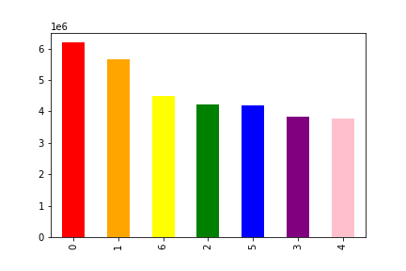
Number of Orders Placed Per Day
Number of Orders
Sunday
Monday
Tuesday
Wednesday
Thursday
Friday
Saturday

Fig 1: Number of Orders Placed per Day - Shows the days the most orders placed are Saturday and Sunday while the days with the least orders placed are Tuesday and Wednesday

Day of Week

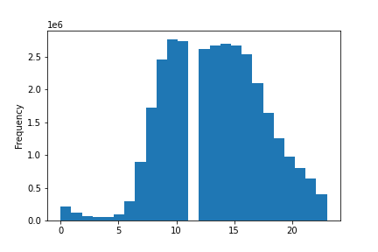
Frequency of Orders Placed by Hour of Day
Time of Day
Frequency (orders placed)

Fig 2: Frequency of orders made each day broken down by hour
0: 12:00am
20: 8:00pm

Fig 2: Shows the time of day orders are made .
The least orders are made between 12:00am-6:00am and then begins to increase, then dcreases around 6pm and continues through the end of day.
The most orders are made between 9am and 5pm except for a break at 12:00om

Question 2: They also want to know whether there are particular times of the day when people spend the most money, as this might inform the type of products they advertise at these times

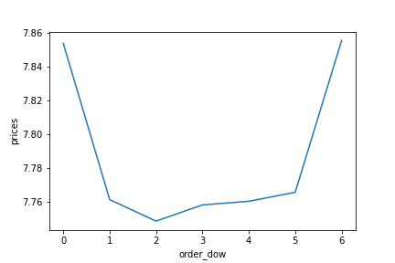
Sunday
Monday
Tuesday
Thursday
Friday
Saturday
Wednesday
Day of Week Orders vs Prices
Day of Week
Price of Order

Fig 3: Is the Order: Day of Week vs Prices - Shows the prices of orders and the fluctuation depending on the day orders are purchased. Saturday (0) and Friday (6) have higher prices since many orders are placed those days, while the rest of the days during the week are lower and customers do not spend as much.

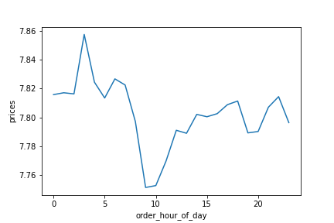
Number of Orders Placed Per Hour of Day
Hour of Day
Price of Order

Fig 4: Frequency of orders made each day broken down by hour vs prices
0: 12:00am
20: 8:00pm

Fig 4: Shows the time of day orders are made and the price of the orders.The time the price is the highest is 3:00am and the time the price is the lowest is at 9:00am.

Question 3: Instacart has a lot of products with different price tags. Marketing and sales want to use simpler price range groupings to help direct their efforts.

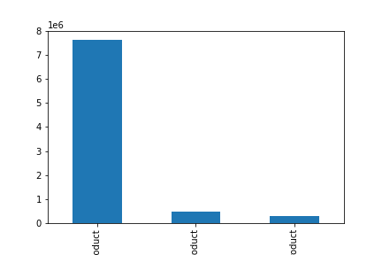
Low-range product
Mid-range product
High-range product
Products Grouped by Price Range
Number of Customers

Fig 5: Number of products per Price Range
The most popular

Fig 5: This shows that the majority of products customers purchase is less than or equal to $5

Question 4: Are there certain types of products that are more popular than others? The marketing and sales teams want to know which departments have the highest frequency of product orders.

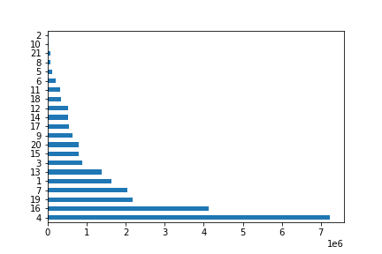
Frequency
Frequency of Purchases by Department
Other
Bulk
Missing
Pets
Alcohol
International
Personal Care
Babies
Meat Seafood
Breakfast
Household
Dry Goods Pasta
Deli
Canned Goods
Bakery
Pantry
Frozen
Beverages
Snacks
Dairy/Eggs
Produce

Fig 6: Frequency of Purchases per Department - Shows the frequency of purchases made in each department. The department wil the most purchases is Produce department, and the least purchases are in the Other Department

Question 5: The marketing and sales teams are particularly interested in the different types of customers in their system and how their ordering behaviors differ

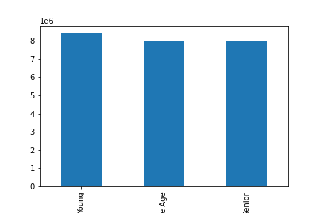
Young
Middle Age
Senior
Customers by Age Grouping
Number of Customers

Fig 7: Shows amount of customers by Age Profile
Young: less than 40 years old Middle Age: greater than or equal to 40 and less than and equal to 60 years old Senior: greater than 60 years old

Fig 7: Customer base is fairly spread equally between all ages

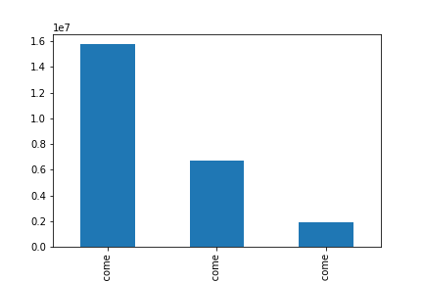
High Income
Middle Income
Low Income
Customers by Income Grouping
Number of Customers

Fig 8: Shows amount of customers by Income Profile
Low Income: less than or equal to $45,000 Middle Income: less than $45,000 and less than or equal to $80,000 High Income: greater than $80,000

Fig 8: The majority of customers are in the high income range.

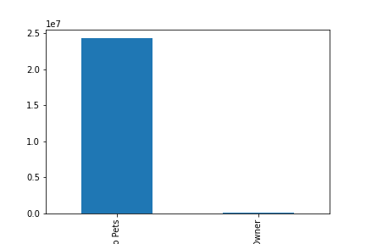
No Pets
Pet Owner
Customers by Pet Owner Grouping
Number of Customers

Fig 9: Shows amount of customers by Pet Profile
The majority of customers do not have pets.


Non-Baby Household
Baby Household
Customers by Baby Household Grouping
Number of Customers

Fig 10: Shows amount of customers by Baby Profile
The majority of customers do not have babies as dependants.

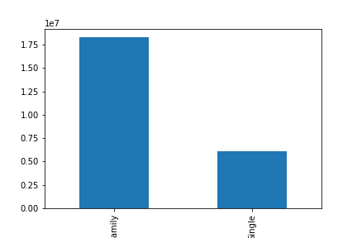
Family
Single
Customers by Dependants Grouping
Number of Customsers

Fig 11: Shows amount of customers by Dependants Profile
The majority of customers have 1-3 dependants.

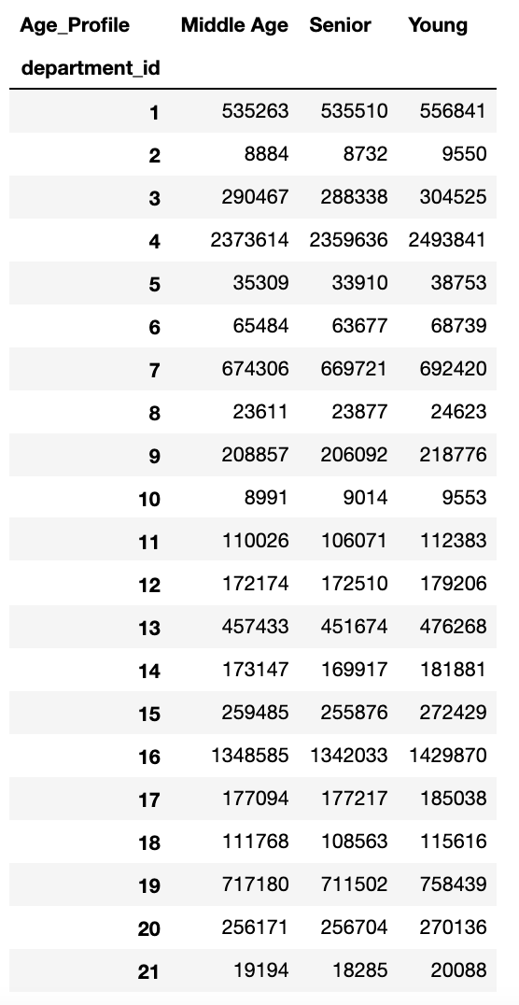

Fig 12: Shows the Age Profile by Department in which customers made orders.
Departments:
1: Frozen
2: Other
3: Bakery
4: Produce
5: Alcohol
6: International
7: Beverages
8: Pets
9: Dry Goods Pasta
10: Bulk
11: Personal Care
12: Meat Seafood
13: Pantry
14: Breakfast
15: Canned Goods
16: Dairy/Eggs
17: Household
18: Babies
19: Snacks
20: Deli
21: Missing

7. Recommendations
 |  | Title page

Recommendations

In this tab you should include any recommendations you would made to Instcart in terms of their marketing strategy based on the questions posed in the brief. Every key question has been covered in the Tasks of the Exercises - here you need to add an item - a visualisation or table/crosstable that is showing the answer in the data, acompanied by a comment from you. Please, list the questions below and add the answer underneath.

* all visualizations on previous tab *
Question | Answer
Key Question 1 | The busiest days of the week are Saturday and Sunday. (Fig: 1) And the busiest hours of the day are from 9am and 5pm except for a break at 12:00om. (Fig: 2)
Key Question 2 | The days with the most money spent are Friday and Saturday. (Fig:3) And the times of day most money is spent is 3:00am. (Fig:4)
Key Question 3 | Low-range product: less than or equal to $5 - Mid-range product: greater than $5 and less than or equal to $15 - High-range product: greater than $15 (Fig: 5)
Key Question 4 | The most popular purchases come from the produce and dairy/egg departments. (Fig: 6)
Key Question 5 | No matter the age range, all customers spent very similar amounts in departments, the most being in the produce department (fig: 12)

Recommendations
Take a look at each region and the ways customers may be similar or different.
Can break down by region when customers make orders (day and hour of day).
Is there a different hour of day where most orders take place each day? Or are all days similar at when customers order even though Saturdays and Sundays are the busiest order days.

